Formulas
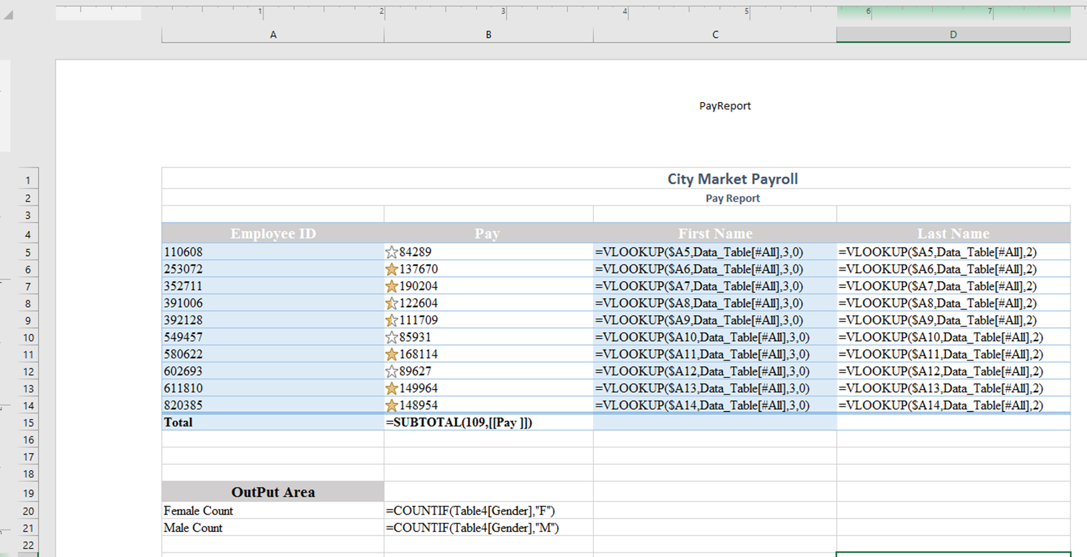

VLOOKUP must contain Data_Table in formula name because they were requried to name the table they created on PayDataTable worksheet. Bonus if students use mix reference in formula. ($A5)

formula needs to read Table - not specifically table 4

PivotTable_Chart
Row Labels | Average of Pay
F | $125,858
M | $130,939
Grand Total | $128,907

Average Pay

